Sheet1
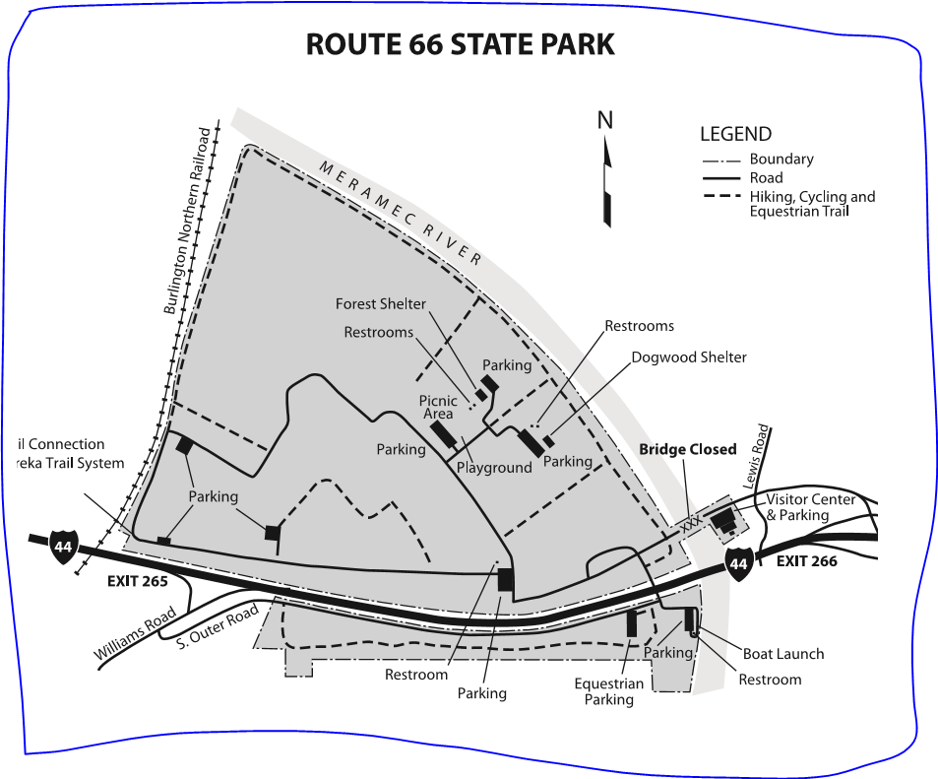
Total |  | 2021 Ballwin Rally Point to Route 66 SP | Point to Point
0 |  | Ballwin Rally Point | 0
0.1 | Left | Manchester | 0.6
0.7 | Left | MO-141 | 3.9
4.6 | Right | I-44/US 50 West | 3.5
8.1 | Right | Exit 269 Antire Rd | 0.2
8.3 | Left | Antire Rd | 0.1
8.4 | Right | Antire/Beaumont Rd | 4.3
12.7 | Left | Hwy PP | 10.9
23.6 | Right | Vogel Rd | 0.8
24.4 | Right | Old Lemay Rd. | 11.4
35.8 | Right | Goldman Rd. | 0.4
36.2 | Left | Hwy 21 | 6.1
42.3 | Right | Hwy 21 | 1.6
43.9 | Left | Butcher Branch Rd | 3.8
47.7 | Left | Hwy C | 0.6
48.3 | Right | Hwy Y | 0.2
48.5 | Left | Browns Ford Rd | 4.7
53.2 | Right | Hwy WW | 7.2
60.4 | Left | Hwy YY | 1.2
61.6 | Right | BP Amoco 30 &Y | 0.0
61.6 | Left | Hwy 30 | 2.0
63.6 | Right | Hwy HH | 8.1
71.7 | Right | Rock Church Rd | 1.1
72.8 | Left | Hwy NN | 1.3
74.1 | Right | Old MO O | 0.7
74.8 | Right | Hwy O | 12.4
76.4 | Right | Hwy F | -76.4
79.8 | Left | Hwy FF | -79.8
84.4 | Left | Hwy 109 | -84.4
85.9 | Right | Augustine Rd | -85.9
86.6 | Left | Williams Rd | 2.5
87.2 | Right | South Outer Rd. | 0.0
 | Left | Under I-44 | 0.0
 | Left into Park |  | 0.0
 | Right | Past main parking lot | 0.0
 | Right | At Playground Parking lot | 0.0
89.1 | Left | to Forest Shelter

